TestSummary
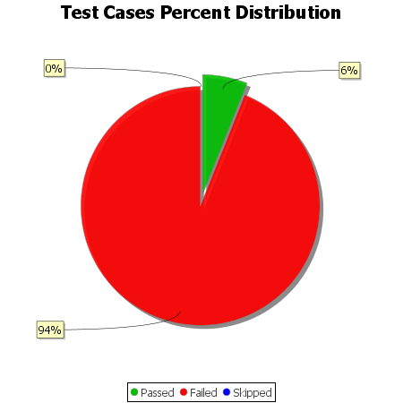
Total Test Cases | 33
Test Cases Passed | 2
Test Cases Failed | 31
Test Cases Skipped | 0

